midcap nifty 12300 ce
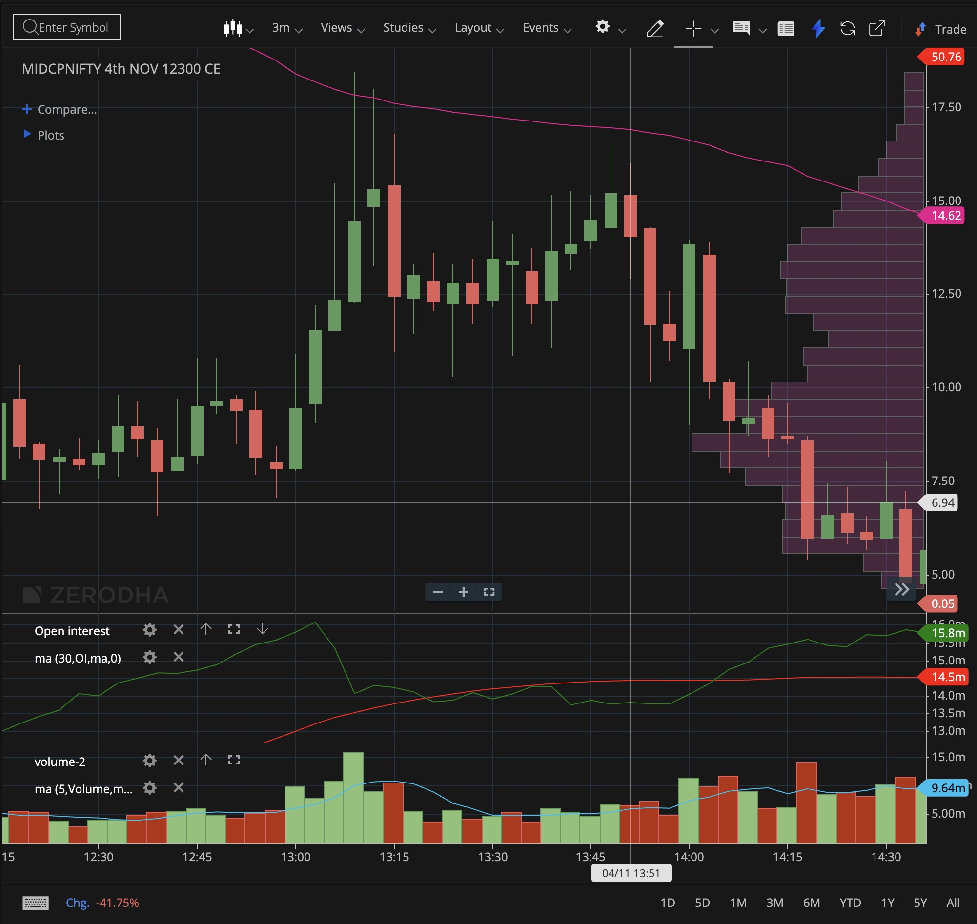
Datetime | Close | Open Interest | OI/feel | first derivative | second derivative | 1st derivative ND | 2nd derivative ND
2024-11-04 12:51:00+05:30 | 9.4 | 15192350 | 1.0128
2024-11-04 12:54:00+05:30 | 8.15 | 15460650 | 1.0307 | 268300 |  | 0.0179
2024-11-04 12:57:00+05:30 | 7.85 | 15578800 | 1.0386 | 118150 | -150150 | 0.0079 | -0.01001 | feel | 15000000
2024-11-04 13:00:00+05:30 | 9.45 | 15807150 | 1.0538 | 228350 | 110200 | 0.0152 | 0.0073466666667
2024-11-04 13:03:00+05:30 | 11.55 | 16088850 | 1.0726 | 281700 | 53350 | 0.0188 | 0.0035566666667
2024-11-04 13:06:00+05:30 | 12.35 | 15351150 | 1.0234 | -737700 | -1019400 | -0.0492 | -0.06796
2024-11-04 13:09:00+05:30 | 14.45 | 14074000 | 0.9383 | -1277150 | -539450 | -0.0851 | -0.035963333333
2024-11-04 13:12:00+05:30 | 15.3 | 14301800 | 0.9535 | 227800 | 1504950 | 0.0152 | 0.10033
2024-11-04 13:15:00+05:30 | 12.45 | 14244300 | 0.9496 | -57500 | -285300 | -0.0038 | -0.01902
2024-11-04 13:18:00+05:30 | 13 | 14114300 | 0.9410 | -130000 | -72500 | -0.0087 | -0.0048333333333
2024-11-04 13:21:00+05:30 | 12.3 | 13837600 | 0.9225 | -276700 | -146700 | -0.0184 | -0.00978
2024-11-04 13:24:00+05:30 | 12.8 | 13881200 | 0.9254 | 43600 | 320300 | 0.0029 | 0.021353333333

finnifty 23700 pe- 4th nov
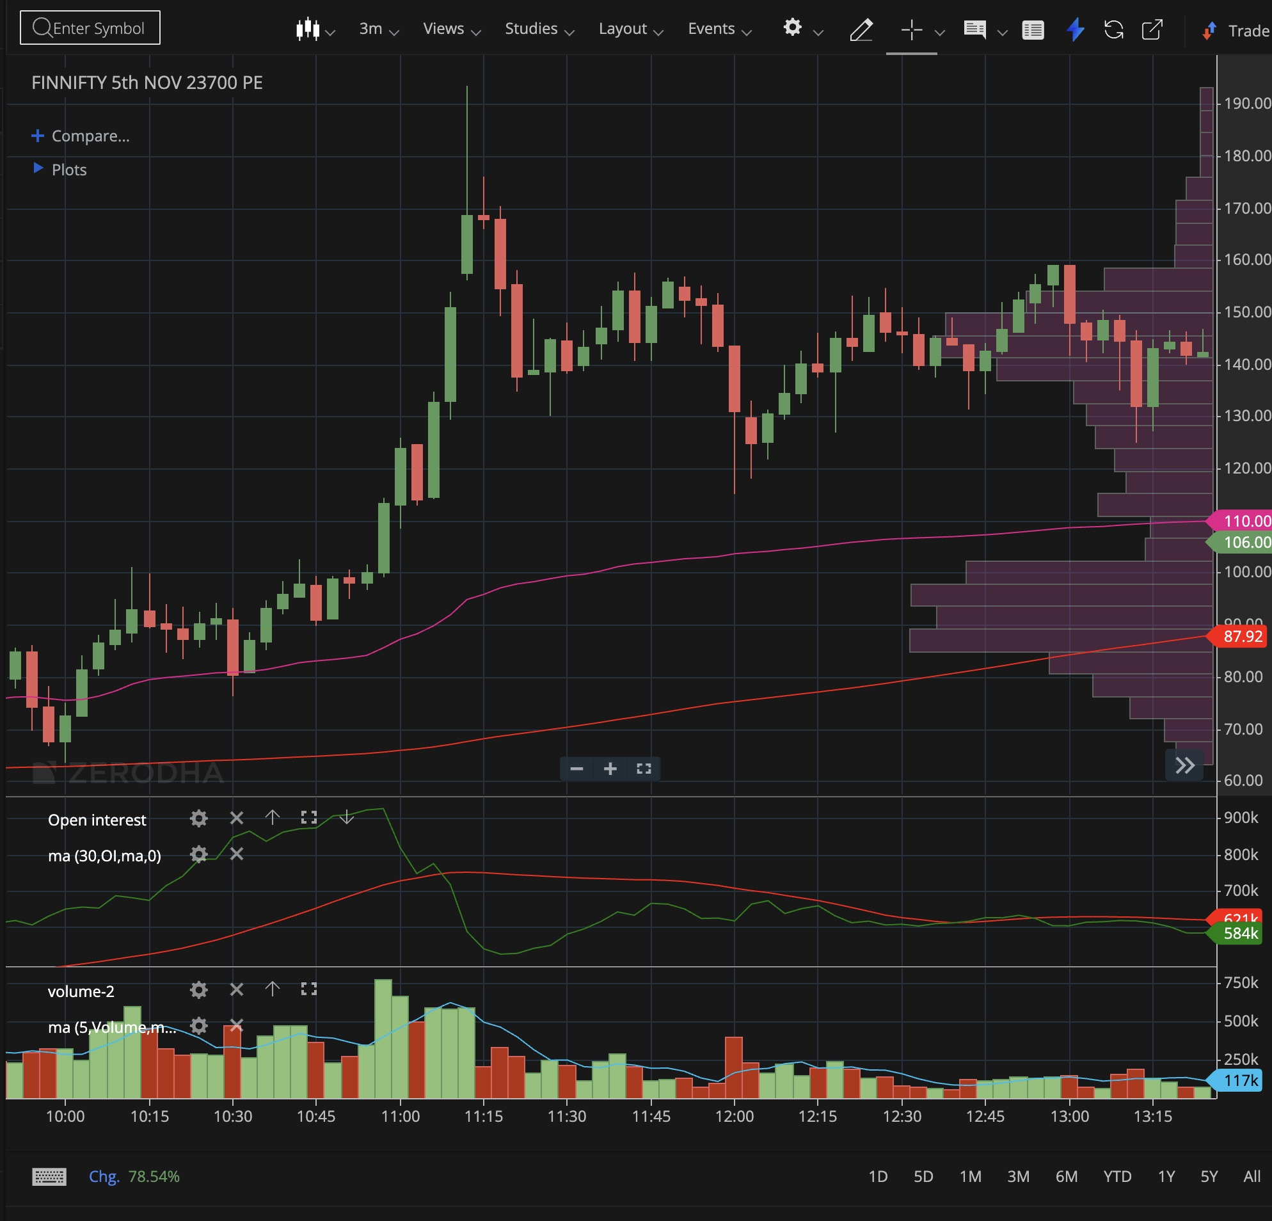
Datetime | Close | Open Interest
2024-11-04 10:48:00+05:30 | 98.9 | 908325
2024-11-04 10:51:00+05:30 | 98.2 | 911675
2024-11-04 10:54:00+05:30 | 100.2 | 924400
2024-11-04 10:57:00+05:30 | 113.35 | 928325
2024-11-04 11:00:00+05:30 | 123.85 | 820925
2024-11-04 11:03:00+05:30 | 114.1 | 748725
2024-11-04 11:06:00+05:30 | 132.8 | 776350
2024-11-04 11:09:00+05:30 | 150.95 | 718600
2024-11-04 11:12:00+05:30 | 168.75 | 588500
2024-11-04 11:15:00+05:30 | 167.95 | 540875
2024-11-04 11:18:00+05:30 | 154.75 | 526225
2024-11-04 11:21:00+05:30 | 137.7 | 528375
2024-11-04 11:24:00+05:30 | 139.05 | 542500
2024-11-04 11:27:00+05:30 | 144.75 | 550325

